Map
MAP

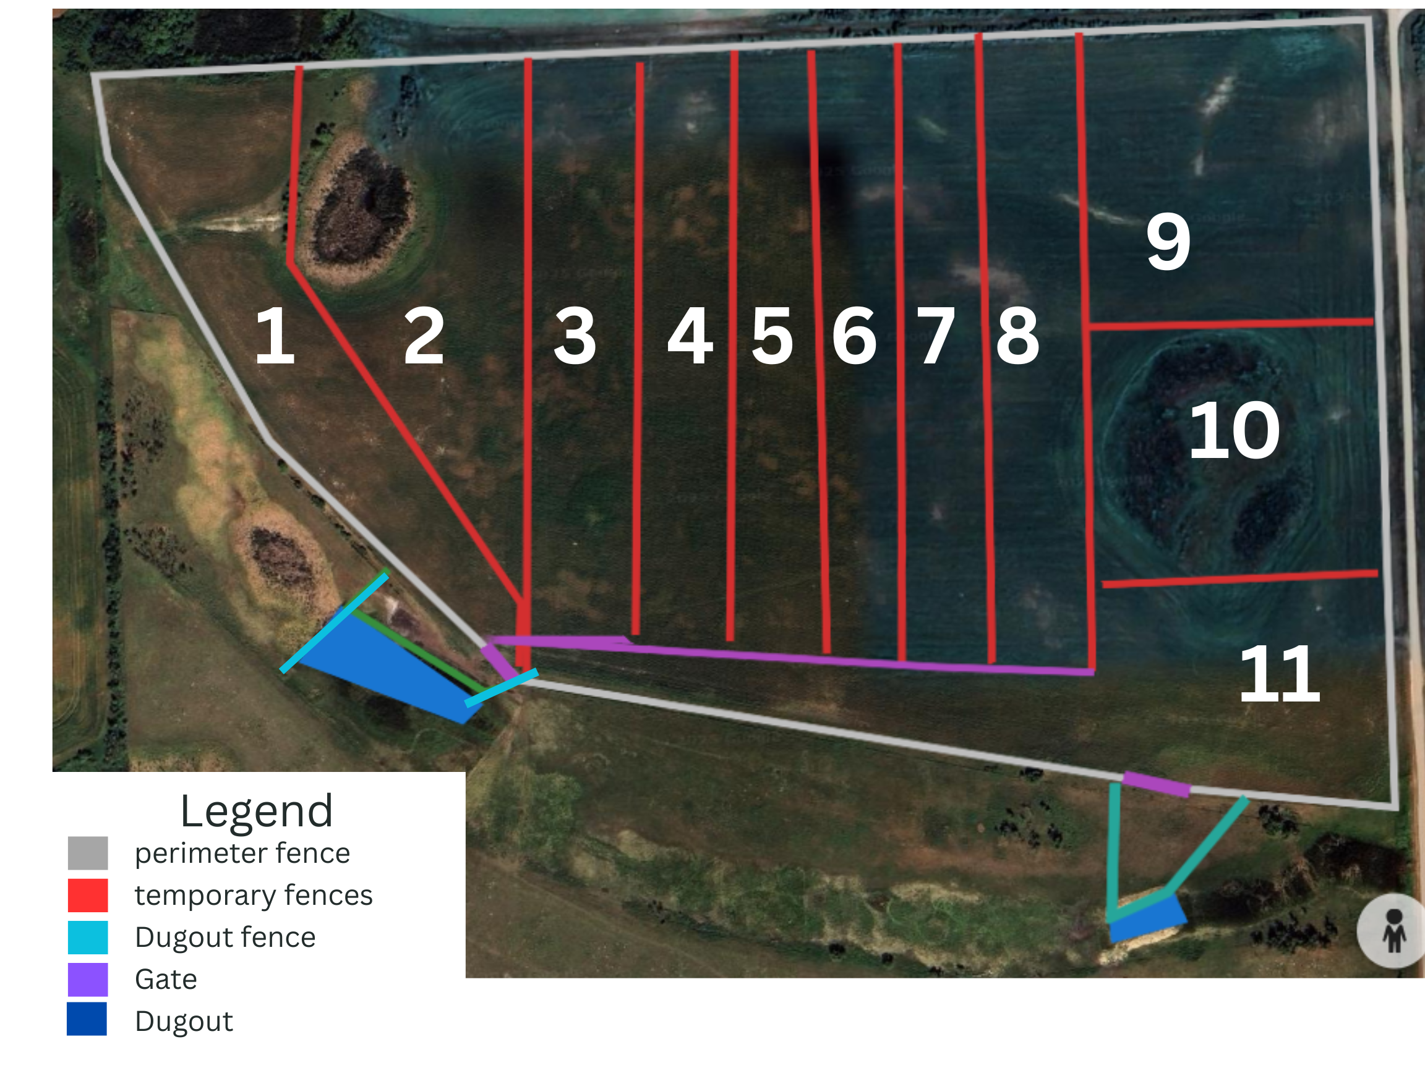
Current Map |  | Proposed Map
Please replace these pictures with your own maps

 | Proposed Grazing Plan
 | Here is where you can describe your proposed pasture plan, including animal movement
 | Please include a detailed legend as listed below including ACTUAL and PROPOSED equipment:
 | Eg. Permanent fencing, temporary fencing, watering equipment, water lines

